FBAR
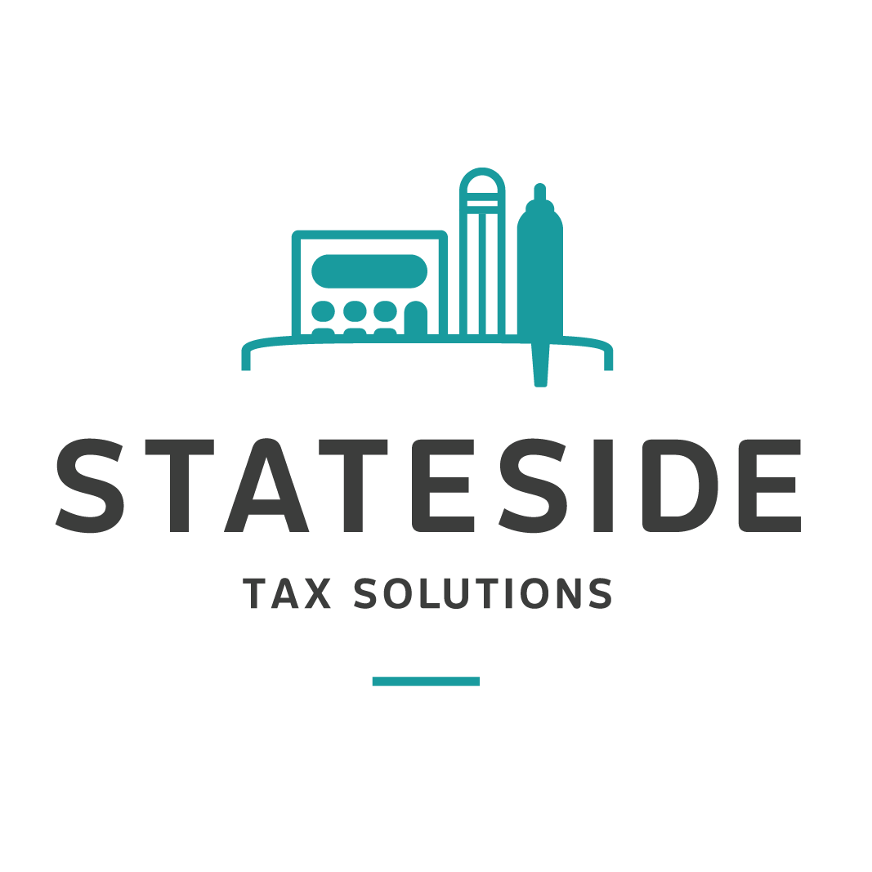
 | FBAR 2024

Name of Account Holder | If joint with someone other than spouse, please provide name & address of other account holder | Financial Institution | Full mailing address of Financial Institution | Account Number | 2024
Highest Value in Account during 2024 |  |  |  |  | 1.3698
 |  |  |  |  | CAD | USD
e.g. Indicate if Sole owner or Joint w/ spouse
Personal Bank Accounts (chequing & savings)
 |  |  |  |  |  | -
 |  |  |  |  |  | -
 |  |  |  |  |  | -
 |  |  |  |  |  | -

 |  |  |  |  |  | -
 |  |  |  |  |  | -
Investment Accounts (Mutual funds or Investments)
 |  |  |  |  |  | -
 |  |  |  |  |  | -

 |  |  |  |  |  | -
 |  |  |  |  |  | -
 |  |  |  |  |  | -
RRSPs/RRIFs
 |  |  |  |  |  | -
 |  |  |  |  |  | -
 |  |  |  |  |  | -
 |  |  |  |  |  | -
 |  |  |  |  |  | -
TFSA (Tax Free Savings Account)
 |  |  |  |  |  | -
 |  |  |  |  |  | -
 |  |  |  |  |  | -
TFSA Income
 |  |  |  |  |  | -
Please provide the income of TFSA in 2024 |  |  |  |  |  | -
Corporate Accounts - Signing Authority, No Financial Interest
 |  |  |  |  |  | -
 |  |  |  |  |  | -
 |  |  |  |  |  | -
 |  |  |  |  |  | -
Stateside Tax Solutions | 1.888.570.3335 | statesidetax.com

